Neg 48 deg
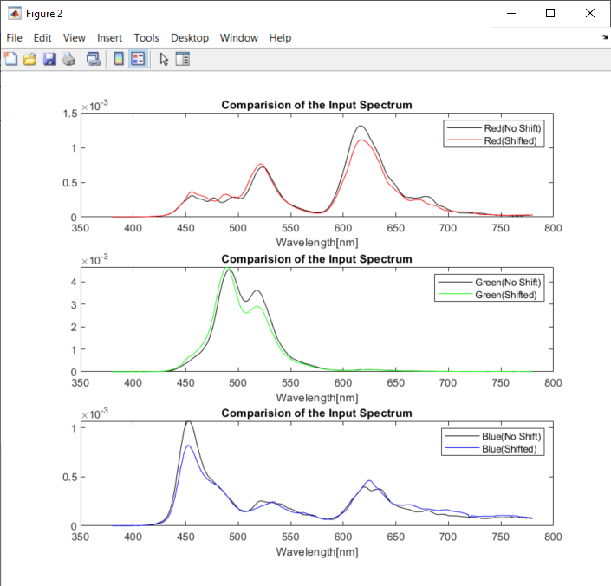
Pattern Colors | X_shifted | Y_shifted | Z_shifted | 1931 x | 1931 y | Simulated R | Simulated G | Simulated B | X_Calculated | Y_Calculated | Z_Calculated | 1931 x | 1931 y | dx | dy
Red | 4.5119715418 | 4.0266131462 | 2.2237731072 | 0.41923634464 | 0.37413856915 | 4.8638743147 | 4.0372654583 | 1.7570476208 | 4.5360097221 | 4.0463363705 | 2.1659455833 | 0.42202145782 | 0.37646320852 | -0.0027851131772 | -0.0023246393715
Green | 3.2798485255 | 10.230950397 | 11.310271791 | 0.13213968742 | 0.41218811691 | 1.8229171774 | 15.94912527 | 10.59268218 | 3.3718102131 | 10.241032481 | 12.413115691 | 0.1295556599 | 0.39349300145 | 0.0025840275156 | 0.018695115463
Blue | 2.5190757494 | 2.0002680486 | 4.3277896113 | 0.28473355525 | 0.22609222174 | 2.6045537305 | 2.7099430436 | 2.48741493 | 2.7542671412 | 2.1465190312 | 4.446051816 | 0.29467367944 | 0.22965189231 | -0.0099401241891 | -0.0035596705675

Neg 46
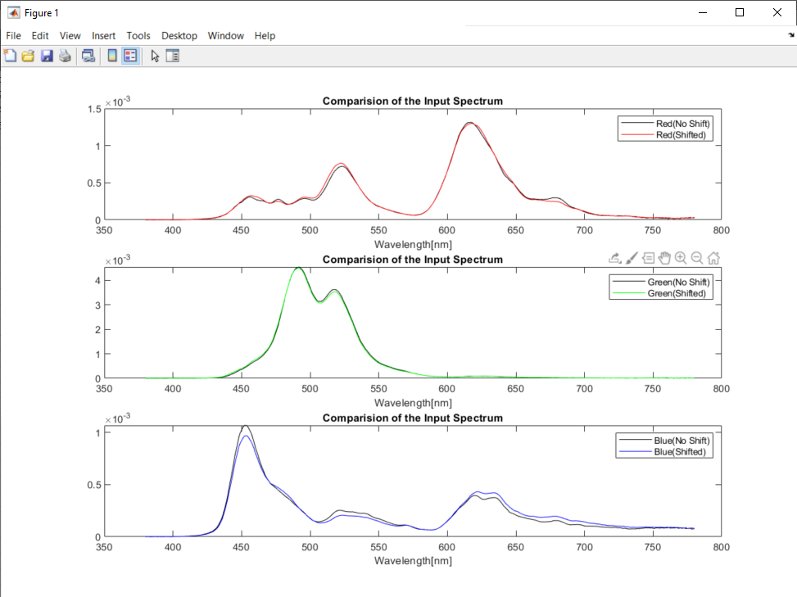
Pattern Colors | X_shifted | Y_shifted | Z_shifted | 1931 x | 1931 y | Simulated R | Simulated G | Simulated B | X_Calculated | Y_Calculated | Z_Calculated | 1931 x | 1931 y | dx | dy
Red | 5.2223019696 | 4.4224302199 | 2.0543631331 | 0.44638511146 | 0.37801471806 | 5.6544946803 | 4.2010369818 | 1.6587207872 | 5.2062216184 | 4.419963336 | 2.01265631 | 0.44731442762 | 0.37975974031 | -0.00092931616045 | -0.0017450222489
Green | 3.352403962 | 11.50423141 | 10.335040263 | 0.13307586246 | 0.45666797146 | 1.973343518 | 17.373822758 | 10.301127251 | 3.3849185182 | 11.524529062 | 10.506194431 | 0.13318249119 | 0.45344237447 | -0.00010662872501 | 0.0032255969813
Blue | 2.687174506 | 1.9862047845 | 5.0192893441 | 0.27723783896 | 0.20491825929 | 2.6793290627 | 2.7506733915 | 2.8060117241 | 2.8901008173 | 2.1037838305 | 5.2075161599 | 0.28330431004 | 0.20622499499 | -0.0060664710815 | -0.001306735706

Data
